Tax paid in advance & deducted
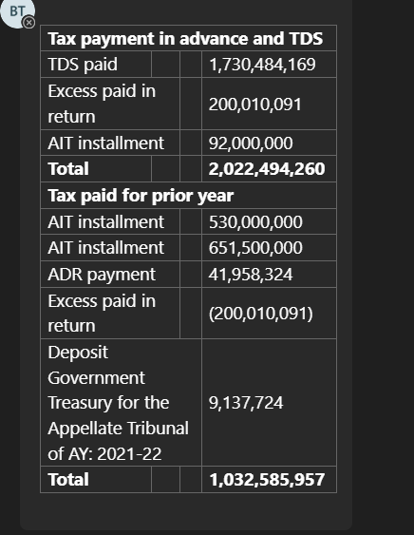
Nurul Faruk Hasan & Co |  |  |  |  |  |  | This amount relates to TDS deductions on interest income from one bond and three FDRs (Bond ID: BME5RRWL5; FDR IDs: BME5GJ3T0, BME5GJ444, and BME5GJ7K5). The interest was received on January 1, 2024, net of TDS—bond proceeds were credited to the Prime Bank account, while FDR proceeds were received through Standard Chartered Bank. The ET has verified the amounts against the respective bank receipts.
Chartered Accountants

Client name: American Life Insurance Company, Bangladesh Branch (MetLife)
Accounting period: 01 January 2025 to 31 December 2025
Prepared by: Md. Tamzid |  |  |  |  |  | Date: 25 February 2026
Reviewed by: Ranti Saha |  |  |  |  |  | Date: 25 February 2026
Further reviewed by: Faruk Uddin Ahammed, FCA |  |  |  |  |  | Date: 04 March 2026
Subject: Breakup of Tax paid in advance & deducted at source

Amount deposited as advance income tax for income year from 01 January 2024 to 31 December 2024

Particulars | Amount paid | Checked with | Ref | Submission Date | Remarks
Installment 1 of 2026-2027 | 92,000,000 | Tax Challan/Money receipt of tax submission | Checked with Installment 1 of 2026-2027 | 14-Sep-2025
Excess Payment | 200,010,091 | As per Tax Return 2023 under "39 Deficit or Excess (refundable)" | Checked with Income Tax Return of 2024-25

TDS withheld by different organizations |  | TDS withheld GL Code 1568000090
Tax paid in advance and deducted at source
Amount shown in FS
Difference

Regulation
Nurul Faruk Hasan & Co
Chartered Accountants

Client name: American Life Insurance Company, Bangladesh Branch (MetLife)
Accounting period: 01 January 2025 to 31 December 2025
Prepared by: Md. Tamzid |  |  | Date: 25 February 2026
Reviewed by: Ranti Saha |  |  | Date: 25 February 2026
Further reviewed by: Faruk Uddin Ahammed, FCA |  |  | Date: 04 March 2026
Subject: Provision of Income Tax Act 2023 and Provision of Income Tax Ordinance 1984
Purpose: To ensure whether management complies the local regulation

According to the provision of the 4th schedule of Insurance Act, an insurer shall select the higher one of the following two methods for determining the profit of the insurer.
 | 1 | Total income based on "Gross External Incomings"
 | 2 | Total income based on "Actuarial Valuation"

Fourth schedule, Income Tax Act 2023. |  |  |  | Fourth schedule, Income Tax Ordinance 1984.
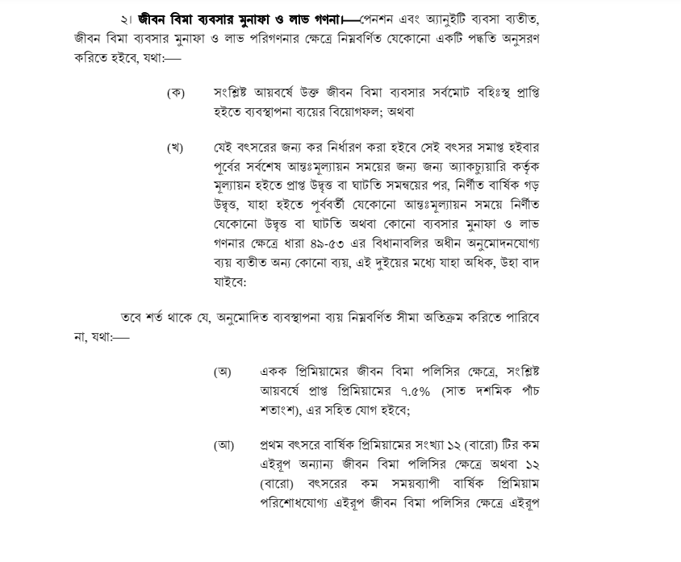
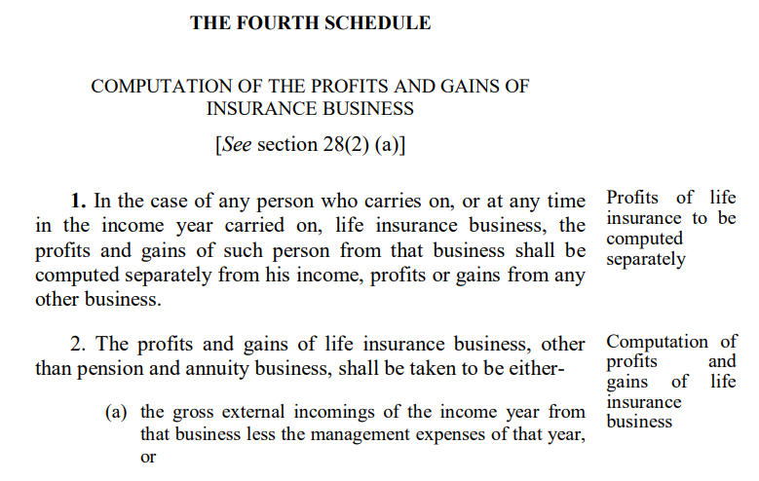

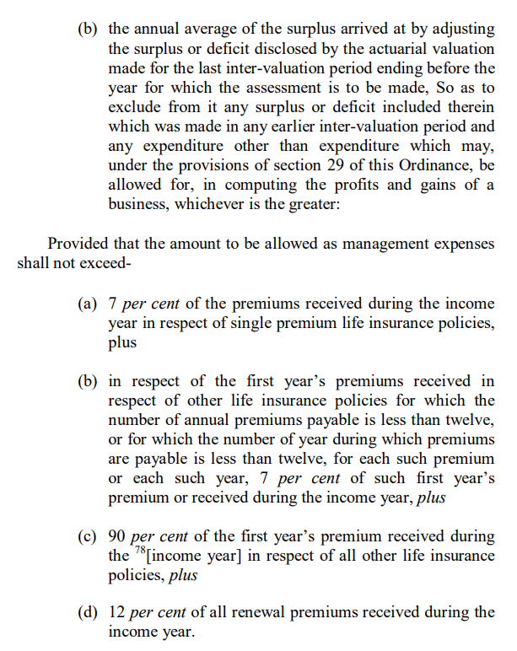

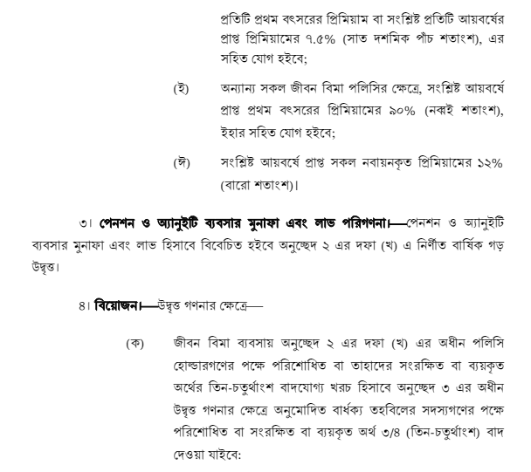

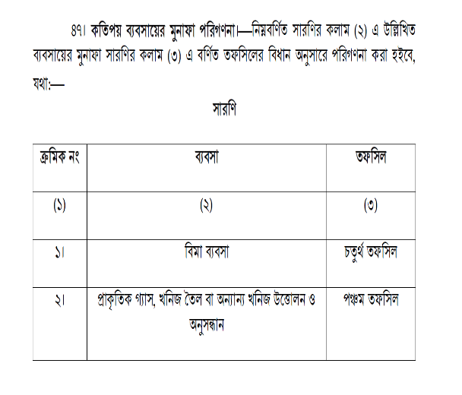

Conclusion:
As per ET's checking during the audit, ET did not note any departure from the provision of the regulation.

Return 2024
Nurul Faruk Hasan & Co
Chartered Accountants

Client name: American Life Insurance Company, Bangladesh Branch (MetLife)
Accounting period: 01 January 2025 to 31 December 2025
Prepared by: Md. Tamzid |  | Date: 25 February 2026
Reviewed by: Ranti Saha |  | Date: 25 February 2026
Further reviewed by: Faruk Uddin Ahammed, FCA |  | Date: 04 March 2026
Subject: Comparison of two methods mentioned in the Income Tax Ordinance 1984
Purpose: To ensure whether management complies the local regulation

ET has checked the income tax return for the year end 31 December 2022
Sl no | Particulars | Amount
1 | Total income based on "Gross External Incomings" | 6,033,367,859
2 | Total income based on "Actuarial Valuation" | 5,595,885,983
 | Higher of above two |  | Check "Comparison of two methods" below

Based on ET's checking, it appears that the method of calculating total income using "Gross External Incomings" results in a higher tax liability compared to the "Actuarial Valuation" method. Therefore, it is preferable to make provisions for taxes based on the income determined under the Gross External Incomings method.

Comparison of two methods: |  |  |  | Total income based on "Actuarial Valuation" | Total income based on "Gross External Incomings"
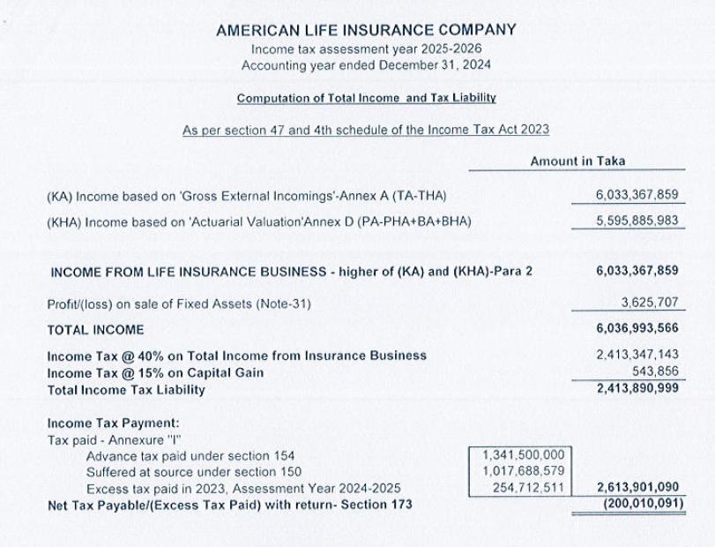

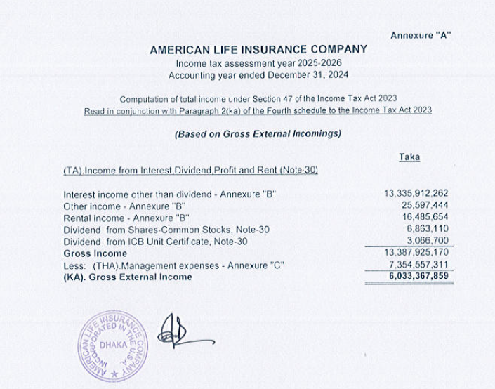

 |  |  |  | Actuarial valuation report to confirm the surplus:
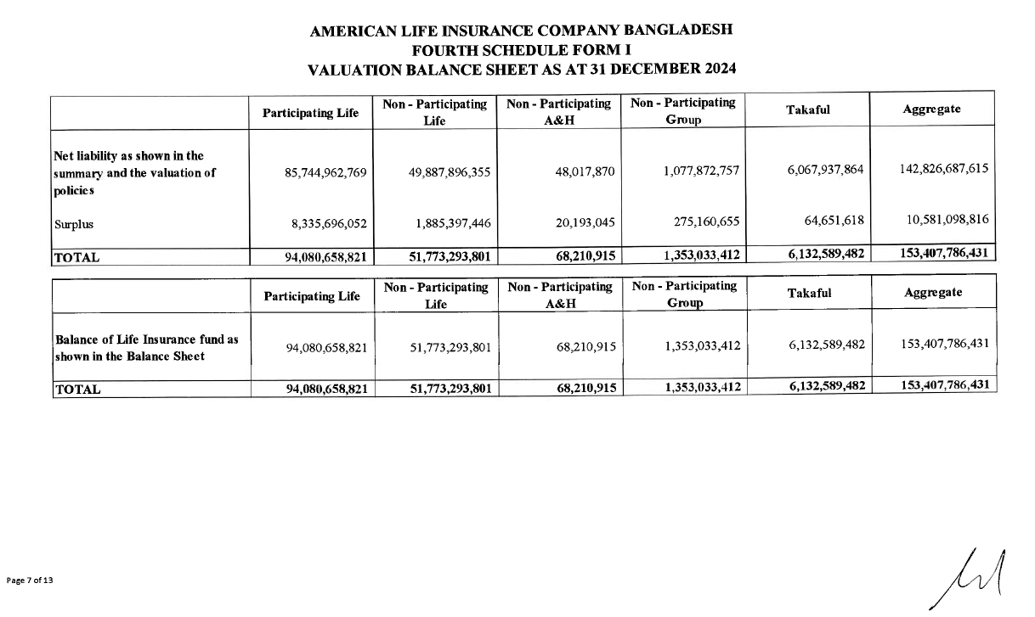

Conclusion:
As per ET's checking during the audit, ET did not note any departure from the provision of the regulation.

